Data Collection Plan
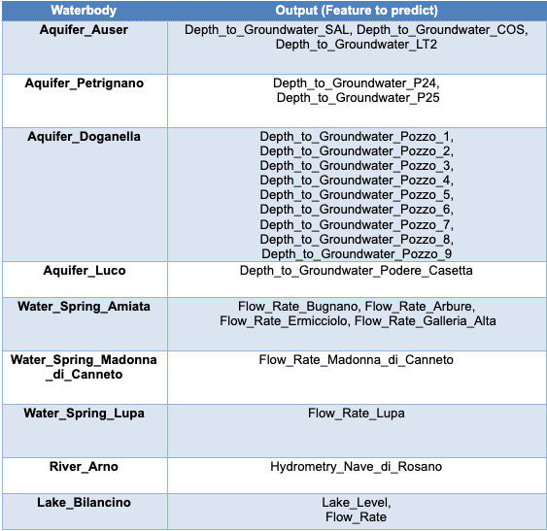
Dara Summary for Target Variables | Review which rows are relevant and remove irrelevant rows
 | Data Sets | Backgrourd | Labels | Research info | Relevant Rows | Irrelevant Rows
 | Auser – Aquifer | The levels of the NORTH sector are represented by the values of the SAL, PAG, CoS and DIEC wells, while the levels of the SOUTH sector by the LT2 well. | There are 5 readings: SAL, PAG, CoS, DIEC and LT2 SAL, PAG, CoS and DIEC are unconfined (NORTH ) LTS is confined (SOUTH) Questions: Missing readings? Graoh readings against date
 | Petrignano - Aquifer | Wells field is fed by three underground aquifers separated by low permeability septa. The aquifer can be considered a water table groundwater and is also fed by the Chiascio river. | There are 9 readings: Depth to Groundwater Pozzo_1 to 9 | The groundwater levels are influenced by the following parameters: rainfall, depth to groundwater, temperatures and drainage volumes, level of the Chiascio river. | rainfall, temperatures and drainage volumes, level
 | Doganella- Aquifer | Wells field Doganella is fed by (meteoric infiltration) through two underground aquifers. The upper aquifer is a water table with a thickness of about 30m. The lower aquifer is a semi-confined artesian aquifer with a thickness of 50m and is located inside lavas and tufa products. Approximately 80% of the drainage volumes come from the artesian aquifer. | These aquifers are accessed through wells called Well 1, …, Well 9. | The aquifer levels are influenced by the following parameters: rainfall, humidity, subsoil, temperatures, and drainage volumes.
 | Luco - Auquifer | Description: The Luco wells field is fed by an underground aquifer. This aquifer not fed by rivers or lakes but by meteoric infiltration at the extremes of the impermeable sedimentary layers. Such aquifer is accessed through wells called Well 1, Well 3 and Well 4. |  | influenced by the following parameters: rainfall, depth to groundwater, temperature and drainage volumes.
 | Amiata - Spring | Description: The Amiata waterbody is composed of a volcanic aquifer not fed by rivers or lakes but fed by meteoric infiltration. This aquifer is accessed through Ermicciolo, Arbure, Bugnano and Galleria Alta water springs. |  | the four sources are influenced by the parameters: rainfall, depth to groundwater, hydrometry, temperatures and drainage volumes.
It is of the utmost importance to notice that some features like rainfall and temperature, which are present in each dataset, don’t go alongside the date. Indeed, both rainfall and temperature affect features like level, flow, depth to groundwater and hydrometry some time after it fell down. This means, for instance, that rain fell on 1st January doesn’t affect the mentioned features right the same day but some time later. As we don’t know how many days/weeks/months later rainfall affects these features, this is another aspect to keep into consideration when analyzing the dataset. | Madonna di Canneto - Spring | Description: The Madonna di Canneto spring is situated at an altitude of 1010m above sea level in the Canneto valley. It does not consist of an aquifer and its source is supplied by the water catchment area of the river Melfa.
Aquifer https://en.wikipedia.org/wiki/Aquifer Water spring https://en.wikipedia.org/wiki/Spring_(hydrology) River https://en.wikipedia.org/wiki/River Lake https://en.wikipedia.org/wiki/Lake | Lupa - Spring | Description: this water spring is located in the Rosciano Valley, on the left side of the Nera river. The waters emerge at an altitude of about 375 meters above sea level through a long draining tunnel that crosses, in its final section, lithotypes and essentially calcareous rocks. It provides drinking water to the city of Terni and the towns around it.
 | Arno - River | Description: Arno is the second largest river in peninsular Italy and the main waterway in Tuscany and it has a relatively torrential regime, due to the nature of the surrounding soils (marl and impermeable clays). Arno results to be the main source of water supply of the metropolitan area of Florence-Prato-Pistoia. The availability of water for this waterbody is evaluated by checking the hydrometric level of the river at the section of Nave di Rosano.
 | Bilancino - Lake | Description: Bilancino lake is an artificial lake located in the municipality of Barberino di Mugello (about 50 km from Florence). It is used to refill the Arno river during the summer months. Indeed, during the winter months, the lake is filled up and then, during the summer months, the water of the lake is poured into the Arno river. Each waterbody has its own different features to be predicted. The table below shows the expected feature to forecast for each waterbody.

